Part 1
1. Selected Countries | pop 2020 by age class |  |  |  |  |  | Average yearly mortality 2010-2015
 | 0-14 | 15-49 | 50-69 | 70+ | tot |  | 0-14 | 15-49 | 50-69 | 70+ | tot
Afghanistan | 16280846 | 19163421 | 2897694 | 586380 | 38928341 |  | 90063 | 41074 | 35741 | 31815 | 198692.33333
Armenia | 617312 | 1436442 | 691055 | 218425 | 2963234 |  | 647 | 1752 | 6218 | 14834 | 23450.5
Azerbaijan | 2384259 | 5293717 | 2085384 | 375815 | 10139175 |  | 5666 | 6424 | 14842 | 24835 | 51767.333333
Bhutan | 192091 | 451329 | 95922 | 32270 | 771612 |  | 510 | 1015 | 1000 | 1201 | 3726.1666667
Kazakhstan | 5472317 | 8969724 | 3478350 | 856316 | 18776707 |  | 6158 | 23102 | 38079 | 58139 | 125477.16667

2. Crude mortality rates | 0-14 | 15-49 | 50-69 | 70+ | tot
Afghanistan | 0.006 | 0.002 | 0.012 | 0.054 | 0.005
Armenia | 0.001 | 0.001 | 0.009 | 0.068 | 0.008
Azerbaijan | 0.002 | 0.001 | 0.007 | 0.066 | 0.005
Bhutan | 0.003 | 0.002 | 0.010 | 0.037 | 0.005
Kazakhstan | 0.001 | 0.003 | 0.011 | 0.068 | 0.007

3
Country | age | pop | death | raw x 10000
Afghanistan | 1 | 16280846 | 90063 | 55.3
Afghanistan | 2 | 19163421 | 41074 | 21.4
Afghanistan | 3 | 2897694 | 35741 | 123.3
Afghanistan | 4 | 586380 | 31815 | 542.6
Armenia | 1 | 617312 | 647 | 10.5
Armenia | 2 | 1436442 | 1752 | 12.2
Armenia | 3 | 691055 | 6218 | 90.0
Armenia | 4 | 218425 | 14834 | 679.1
Azerbaijan | 1 | 2384259 | 5666 | 23.8
Azerbaijan | 2 | 5293717 | 6424 | 12.1
Azerbaijan | 3 | 2085384 | 14842 | 71.2
Azerbaijan | 4 | 375815 | 24835 | 660.8
Bhutan | 1 | 192091 | 510 | 26.6
Bhutan | 2 | 451329 | 1015 | 22.5
Bhutan | 3 | 95922 | 1000 | 104.2
Bhutan | 4 | 32270 | 1201 | 372.3
Kazakhstan | 1 | 5472317 | 6158 | 11.3
Kazakhstan | 2 | 8969724 | 23102 | 25.8
Kazakhstan | 3 | 3478350 | 38079 | 109.5
Kazakhstan | 4 | 856316 | 58139 | 678.9

4. Standard Rates
Country | Death | N | crude | rateadj | lb_gam | ub_gam | se_gam | srr | lb_srr | ub_srr
Afghanistan | 198692.330 | 3.89e+07 | 0.005 | 0.013 | 0.012 | 0.013 | 0.000 | 1.000 |  |  |  | Country | Death | N | crude | rateadj | lb_gam | ub_gam | se_gam | srr | lb_srr | ub_srr
Armenia | 23450.500 | 2963234.000 | 0.008 | 0.012 | 0.012 | 0.013 | 0.000 | 0.996 | 0.981 | 1.011 |  | Afghanistan | 198692.330 | 3.89e+07 | 0.005 | 0.013 | 0.012 | 0.013 | 0.000 | 1.000
Azerbaijan | 51767.333 | l.0le+07 | 0.005 | 0.012 | 0.012 | 0.012 | 0.000 | 0.954 | 0.943 | 0.966 |  | Armenia | 23450.500 | 2963234.000 | 0.008 | 0.012 | 0.012 | 0.013 | 0.000 | 0.996 | 0.981 | 1.011
Bhutan | 3726.167 | 771612.000 | 0.005 | 0.009 | 0.009 | 0.010 | 0.000 | 0.739 | 0.711 | 0.767 |  | Azerbaijan | 51767.333 | l.0le+07 | 0.005 | 0.012 | 0.012 | 0.012 | 0.000 | 0.954 | 0.943 | 0.966
Kazakhstan | 125477.170 | l.88e+07 | 0.007 | 0.014 | 0.013 | 0.014 | 0.000 | 1.084 | 1.074 | 1.094 |  | Bhutan | 3726.167 | 771612.000 | 0.005 | 0.009 | 0.009 | 0.010 | 0.000 | 0.739 | 0.711 | 0.767
 |  |  |  |  |  |  |  |  |  |  |  | Kazakhstan | 125477.170 | l.88e+07 | 0.007 | 0.014 | 0.013 | 0.014 | 0.000 | 1.084 | 1.074 | 1.094

Mortality (No. of Deaths and Standard rates)
 | deaths | standardized rates | crude
Afganistan | 198692 | 125.0 | 51.0
Armenia | 23451 | 124.0 | 79.1
Azerbaijan | 51767 | 119.0 | 51.1
Bhutan | 3726 | 92.5 | 48.3
Kazakhstan | 125477 | 135.0 | 66.8

5 Graphical Representaion

Age distribution among Five Countries
 | 0-14 | 15-49 | 50-69 | 70+
Afganistan | 16280846 | 19163421 | 2897694 | 586380
Armenia | 617312 | 1436442 | 691055 | 218425
Azerbaijan | 2384259 | 5293717 | 2085384 | 375815
Bhutan | 192091 | 451329 | 95922 | 32270
Kazakhstan | 5472317 | 8969724 | 3478350 | 856316
Age distribution(%) among five Countries
 | 0-14 | 15-49 | 50-69 | 70+
Afganistan | 42 | 49 | 7 | 2
Armenia | 21 | 48 | 23 | 7
Azerbaijan | 24 | 52 | 21 | 4
Bhutan | 25 | 58 | 12 | 4
Kazakhstan | 29 | 48 | 19 | 5

Mortality rates x 10000
 | crude | standardized rates
Afganistan pop 38928341 | 51.0 | 125.0
Armenia pop 2963234 | 79.1 | 124.0
Azerbaijan pop 10139175 | 51.1 | 119.0
Bhutan pop 771612 | 48.3 | 92.5
Kazakhstan pop 18776707 | 66.8 | 135.0

1. visualization
Age distribution among Five Countries
Age distribution(%) among five Countries
Mortality (No. of Deaths and Standard rates)
 |  | Country
 |  | Afganistan | Armenia | Azerbaijan | Bhutan | Kazakhstan

population | 0-14 | 16280846 | 617312 | 2384259 | 192091 | 5472317
 | 15-49 | 19163421 | 1436442 | 5293717 | 451329 | 8969724
 | 50-69 | 2897694 | 691055 | 2085384 | 95922 | 3478350
 | 70+ | 586380 | 218425 | 375815 | 32270 | 856316
 | Total | 38,928,341 | 2,963,234 | 10,139,175 | 771,612 | 18,776,707

n.of deaths | 0-14 | 90063 | 647 | 5666 | 510 | 6158
 | 15-49 | 41074 | 1752 | 6424 | 1015 | 23102
 | 50-69 | 35741 | 6218 | 14842 | 1000 | 38079
 | 70+ | 31815 | 14834 | 24835 | 1201 | 58139
 | Total | 198692 | 23451 | 51767 | 3726 | 125477

mortality rate x 10,000 | crude | 51.0 | 79.1 | 51.1 | 48.3 | 66.8
 | adjusted | 125.0 | 124.0 | 119 | 92.5 | 135

 |  | Country
 |  | Afganistan | Armenia | Azerbaijan | Bhutan | Kazakhstan

population | 0-14 | 42 | 21 | 24 | 25 | 29
 | 15-49 | 49 | 48 | 52 | 58 | 48
 | 50-69 | 7 | 23 | 21 | 12 | 19
 | 70+ | 2 | 7 | 4 | 4 | 5
 | Total | 100 | 100 | 100 | 100 | 100

n.of deaths | 0-14 | 45 | 3 | 11 | 14 | 5
 | 15-49 | 21 | 7 | 12 | 27 | 18 |  |  |  |  |  | Afganistan | Armenia | Azerbaijan | Bhutan | Kazakhstan |  | Afganistan | Armenia | Azerbaijan | Bhutan | Kazakhstan
 | 50-69 | 18 | 27 | 29 | 27 | 30 |  |  |  |  | deaths | 198692 | 23451 | 51767 | 3726 | 125477 | deaths | 198692 | 23451 | 51767 | 3726 | 125477
 | 70+ | 16 | 63 | 48 | 32 | 46 |  |  |  |  | pop | 38928341 | 2963234 | 10139175 | 771612 | 18776707 | standardized rates | 125.0 | 124.0 | 119.0 | 92.5 | 135
 | Total | 100 | 100 | 100 | 100 | 100 |  |  |  |  | crude | 51.0 | 79.1 | 51.1 | 48.3 | 66.8 | crude | 51.0 | 79.1 | 51.1 | 48.3 | 66.8
 |  |  |  |  |  |  |  |  |  |  | adj | 125.0 | 124.0 | 119.0 | 92.5 | 135 | pop | 38928341 | 2963234 | 10139175 | 771612 | 18776707
Mortality rates x 10000
mortality rate x 10,000 | crude | 51.0 | 79.1 | 51.1 | 48.3 | 66.8
 | adjusted | 125.0 | 124.0 | 119 | 92.5 | 135

 |  |  |  |  |  |  |  |  |  |  |  | Afganistan pop 38928341 | Armenia pop 2963234 | Azerbaijan pop 10139175 | Bhutan pop 771612 | Kazakhstan pop 18776707
 |  |  |  |  |  |  |  |  |  |  | crude | 51.0 | 79.1 | 51.1 | 48.3 | 66.8
 |  |  |  |  |  |  |  |  |  |  | standardized rates | 125.0 | 124.0 | 119.0 | 92.5 | 135
 |  |  |  |  |  |  |  |  |  |  | deaths | 198692 | 23451 | 51767 | 3726 | 125477
 |  |  |  |  |  |  |  |  |  |  | pop | 38928341 | 2963234 | 10139175 | 771612 | 18776707

Country | Death | N | crude | rateadj | lb_gam | ub_gam | se_gam | srr | lb_srr | ub_srr
Afghanistan | 198692.330 | 3.89e+07 | 0.005 | 0.013 | 0.012 | 0.013 | 0.000 | 1.000
Armenia | 23450.500 | 2963234.000 | 0.008 | 0.012 | 0.012 | 0.013 | 0.000 | 0.996 | 0.981 | 1.011
Azerbaijan | 51767.333 | l.0le+07 | 0.005 | 0.012 | 0.012 | 0.012 | 0.000 | 0.954 | 0.943 | 0.966
Bhutan | 3726.167 | 771612.000 | 0.005 | 0.009 | 0.009 | 0.010 | 0.000 | 0.739 | 0.711 | 0.767
Kazakhstan | 125477.170 | l.88e+07 | 0.007 | 0.014 | 0.013 | 0.014 | 0.000 | 1.084 | 1.074 | 1.094

Part 2
Premature deaths due to noncommunicable diseases (NCD) as a proportion of all NCD deaths
1 | Premature deaths due to noncommunicable diseases (NCD) as a proportion of all NCD deaths
 |  |  |  | popx1000 |  |  |  | dying |  |  | not dying |  |  |  | Odds Ratio |  |  |  |  |  | Rate Ratio |  |  |  | error bars
Country | M | F |  | M | F | TOT |  | M | F | TOT | M | F | TOT |  | OR | inf | sup |  | Rate M | Rate F | RR | inf | sup |  | inf | sup
Afghanistan | 5374 | 5022 |  | 5373819 | 5021980 | 10395799 |  | 3767047 | 3178913 | 6945960 | 1501572 | 1843067 | 3344639 | Afghanistan | 1.45 | 1.45 | 1.46 |  | 0.71 | 0.63 | 1.13 | 1.126580266 | 1.1325018888 |  | 0.00 | 0.00
Armenia | 689 | 859 |  | 689000 | 859096 | 1548096 |  | 323141 | 235392 | 558533 | 456180 | 623704 | 1079884 | Armenia | 1.88 | 1.86 | 1.89 |  | 0.41 | 0.27 | 1.51 | 1.5034336856 | 1.5232317916 |  | 0.01 | -0.01
Azerbaijan | 2476 | 2657 |  | 2475993 | 2656886 | 5132879 |  | 1396460 | 924596 | 2321056 | 1158402 | 1732290 | 2890692 | Azerbaijan | 2.26 | 2.25 | 2.27 |  | 0.55 | 0.35 | 1.57 | 1.5651285244 | 1.5762079972 |  | 0.01 | -0.01
Bhutan | 176 | 148 |  | 175961 | 148246 | 324207 |  | 67921 | 53665 | 121586 | 91023 | 94581 | 185604 | Bhutan | 1.32 | 1.30 | 1.33 |  | 0.43 | 0.36 | 1.18 | 1.163437493 | 1.197730293 |  | 0.02 | -0.02
Kazakhstan | 4142 | 4617 |  | 4141640 | 4616626 | 8758266 |  | 2468417 | 1574269 | 4042687 | 1865117 | 3042357 | 4907473 | Kazakhstan | 2.56 | 2.55 | 2.56 |  | 0.57 | 0.34 | 1.67 | 1.6658928437 | 1.6749309443 |  | 0.00 | 0.00

2 |  |  |  |  |  |  |  |  | /100
 | % dying |  |  |  | % not dying |  |  |  | % dying |  |  | % not dying
Country | total | Male | Female |  | total | Male | Female |  | Total | Male | Female | Total | Male | Female |  |  |  | Countries | Incidence among Males | Incidence among Females | Rate Ratio | Rate Difference | ODD Ratio | inf | sup
Afghanistan | 39.6 | 70.1 | 63.3 |  | 60.4 | 29.9 | 36.7 |  | 0.40 | 0.70 | 0.63 | 0.60 | 0.30 | 0.37 |  |  |  | Afghanistan | 0.71 | 0.63 | 1.13 | 0.08 | 1.45 | 1.45 | 1.46
Armenia | 22.5 | 46.9 | 27.4 |  | 77.5 | 53.1 | 72.6 |  | 0.23 | 0.47 | 0.27 | 0.78 | 0.53 | 0.73 |  |  |  | Armenia | 0.41 | 0.21 | 1.95 | 0.20 | 1.88 | 1.86 | 1.89
Azerbaijan | 24.2 | 56.4 | 34.8 |  | 75.8 | 43.6 | 65.2 |  | 0.24 | 0.56 | 0.35 | 0.76 | 0.44 | 0.65 |  |  |  | Azerbaijan | 0.55 | 0.53 | 1.04 | 0.02 | 2.26 | 2.25 | 2.27
Bhutan | 28.3 | 38.6 | 36.2 |  | 71.7 | 61.4 | 63.8 |  | 0.28 | 0.39 | 0.36 | 0.72 | 0.61 | 0.64 |  |  |  | Bhutan | 0.43 | 0.36 | 1.19 | 0.07 | 1.32 | 1.30 | 1.33
Kazakhstan | 15.5 | 59.6 | 34.1 |  | 84.5 | 40.4 | 65.9 |  | 0.16 | 0.60 | 0.34 | 0.85 | 0.40 | 0.66 |  |  |  | Kazakhstan | 0.57 | 0.34 | 1.68 | 0.23 | 2.56 | 2.55 | 2.56
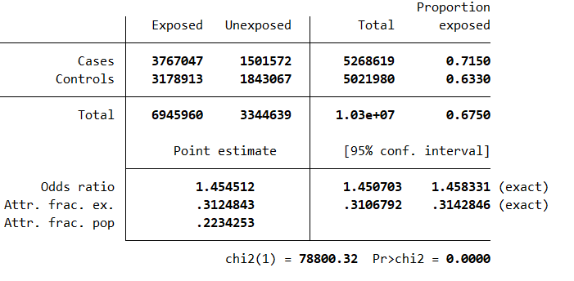
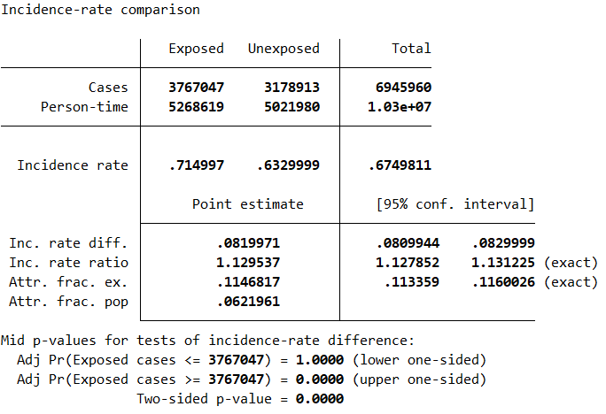
3

Afganistan | dying from NCD |  |  |  |  |  | M | F
 | No | yes |  |  | STATA |  | exposed | non exposed
F | 1843067 | 3178913 |  |  |  | cases | 3767047 | 3178913 |  | incidence M | 0.71 | Rate ratio | 1.13
M | 1501572 | 3767047 |  |  |  | non cases | 1501572 | 1843067 |  | incidence F | 0.63 | Rate diff | 0.08
cci 3767047 1501572 3178913 1843067 |  |  |  |  |  |  | 5268619 | 5021980
 |  |  |  |  |  |  |  |  |  | iri 3767047 3178913 5268619 5021980

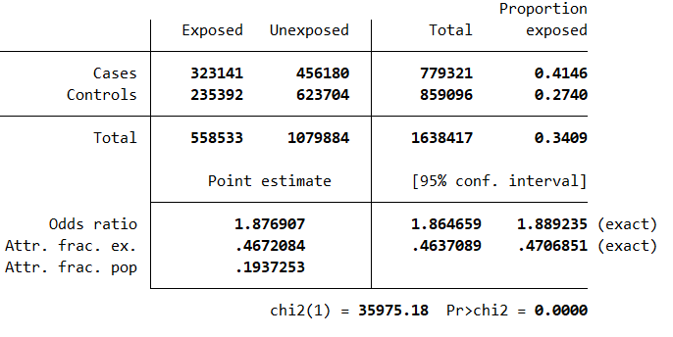
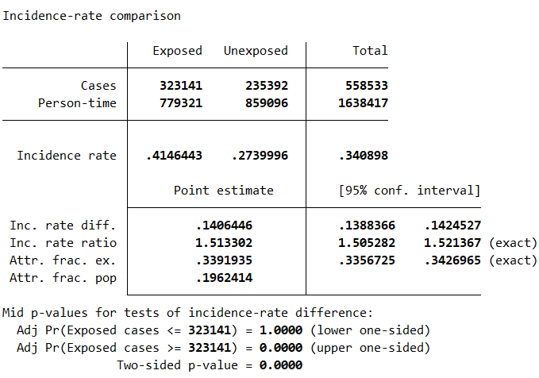
Armenia | dying from NCD |  |  |  |  |  | M | F
 | No | yes |  |  | STATA |  | exposed | non exposed
F | 623704 | 235392 |  |  |  | cases | 323141 | 235392 |  | incidence M | 0.41 | Rate ratio | 1.51
M | 456180 | 323141 |  |  |  | non cases | 456180 | 623704 |  | incidence F | 0.27 | Rate diff | 0.14
cci 323141 456180 235392 623704 |  |  |  |  |  |  | 779321 | 859096
 |  |  |  |  |  |  |  |  |  | iri 323141 235392 779321 859096

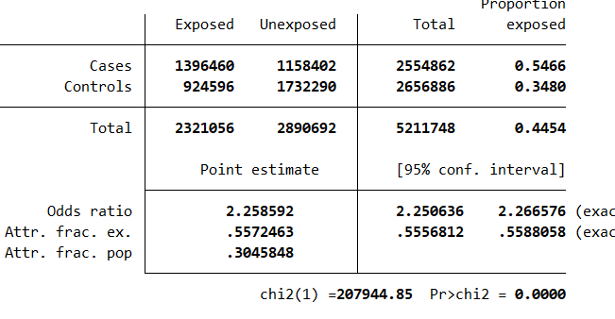
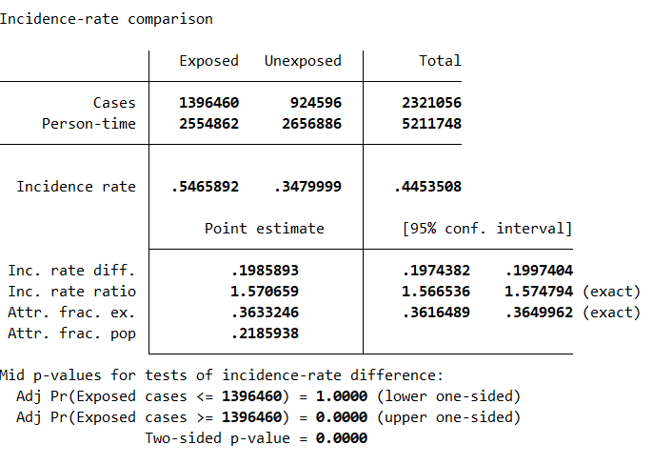
Azerbaijan | dying from NCD |  |  |  |  |  | M | F
 | No | yes |  |  | STATA |  | exposed | non exposed
F | 1732290 | 924596 |  |  |  | cases | 1396460 | 924596 |  | incidence M | 0.55 | Rate ratio | 1.02
M | 1158402 | 1396460 |  |  |  | non cases | 1158402 | 1732290 |  | incidence F | 0.53 | Rate diff | 0.01
 |  |  |  |  |  |  | 2554862 | 2656886
cci 1396460 1158402 924596 1732290 |  |  |  |  |  |  |  |  |  | iri 1396460 924596 2554862 2656886

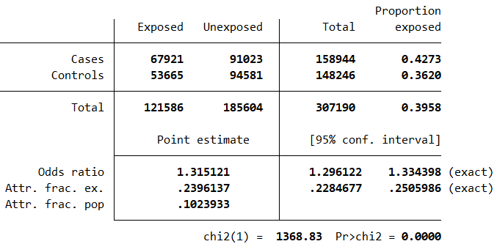
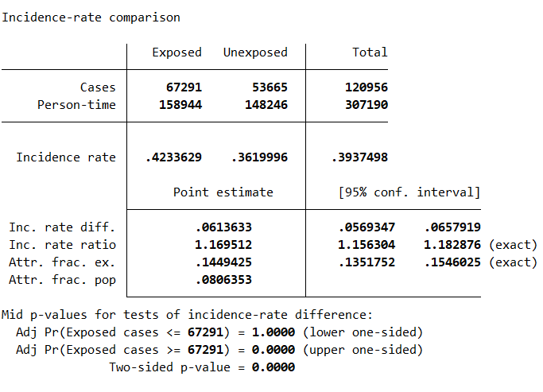
Bhutan | dying From NCD |  |  |  |  |  | M | F
 | No | yes |  |  | STATA |  | exposed | non exposed
F | 94581 | 53665 |  |  |  | cases | 67921 | 53665 |  | incidence M | 0.43 | Rate ratio | 1.18
M | 91023 | 67921 |  |  |  | non cases | 91023 | 94581 |  | incidence F | 0.36 | Rate diff | 0.07
 |  |  |  |  |  |  | 158944 | 148246
cci 67921 91023 53665 94581 |  |  |  |  |  |  |  |  |  | iri 67291 53665 158944 148246

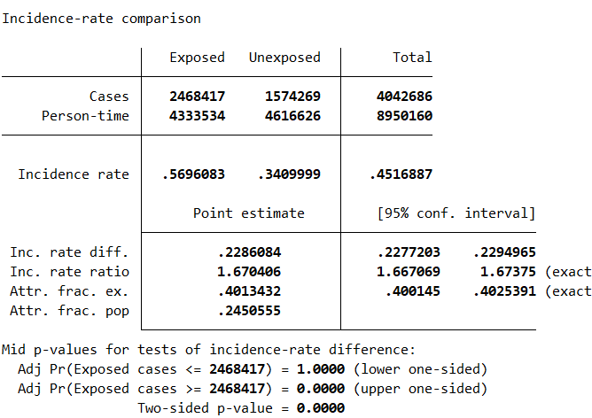
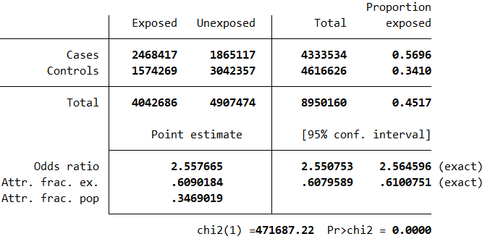
Kazakhstan | dying from NCD |  |  |  |  |  | M | F
 | No | yes |  |  | STATA |  | exposed | non exposed
F | 3042357 | 1574269 |  |  |  | cases | 2468417 | 1574269 |  | incidence M | 0.57 | Rate ratio | 1.67
M | 1865117 | 2468417 |  |  |  | non cases | 1865117 | 3042357 |  | incidence F | 0.34 | Rate diff | 0.23
 |  |  |  |  |  |  | 4333534 | 4616626
cci 2468417 1865117 1574269 3042357 |  |  |  |  |  |  |  |  |  | iri 2468417 1574269 4333534 4616626

